Sheet1
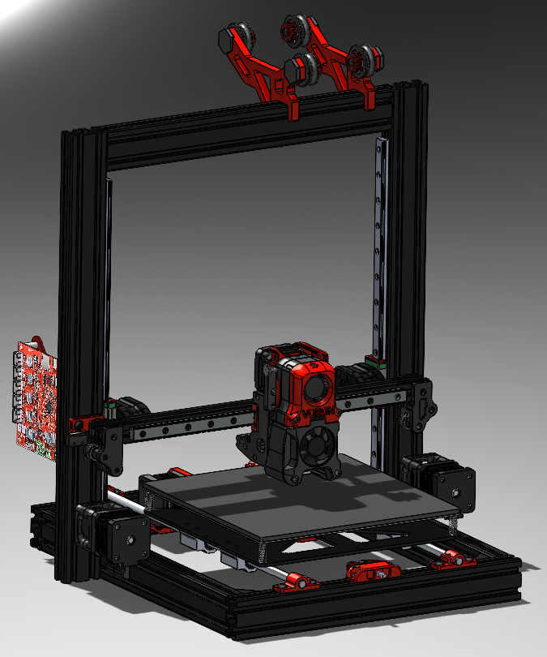
Fasteners |  |  |  |  |  |  |  | Total Price
Part # | Part Name | Description | Quantity | Price | Link |  |  | 79.29
 | M3x5x4 insert | (x100) | 1 | 6.48 | https://www.aliexpress.com/item/4000232858343.html?spm=a2g0s.9042311.0.0.21164c4dGhWhttps://www.aliexpress.com/item/4000232858343.html?spm=a2g0s.9042311.0.0.21164c4dGhWHhY
 | M3 x 40 |  | 6 | 1.02
 | M3 x 30 |  | 7 | 1.19
 | M3 x 20 |  | 2 | 0.14
 | M3 x 16 |  | 9 | 1.17 |  | M3 x 40 | 5 | 4
 | M3 x 12 |  | 9 | 0.9
 | M3 x8 |  | 6 | 0.72
Motion |  |  |  |  |  | M3 x 30 | 6 | 6
Part # | Part Name | Description | Quantity | Price | Link | M3x20 | 1 | 1
 | Nema 17 | 2x42x20mm | 1 | 10.74 | https://www.omc-stepperonline.com/nema-17-stepper-motor/nema-17-bipolar-1-8deg-16ncm-22-6oz-in-1a-3-7v-42x42x20mm-4-wires.html | M3 x 16 | 8 | 8
 |  |  |  |  |  | M3 x 12 | 8 | 8
Other |  |  |  |  |  | m3 x 8 | 5 | 5
Part # | Part Name | Description | Quantity | Price | Link
 | 12V 40x40x20 Blower | fourth one over | 1 | 9.65 | https://www.aliexpress.com/item/1005001464730686.html
 | 12V Fan | 7500 RPM | 1 | 7.91 | https://www.aliexpress.com/item/32727867521.html
 | BMG Direct Drive kit |  | 1 | 23.62 | https://www.aliexpress.com/item/4000021186440.html?spm=2114.12010612.8148356.22.3f2939a11poXsq
 | V6 hotend | All metal | 1 | 15.75 | https://www.aliexpress.com/item/32844028127.html?spm=2114.12010610.8148356.10.1eb46ff0B1gWel

